How to Use the RACI Matrix Temp
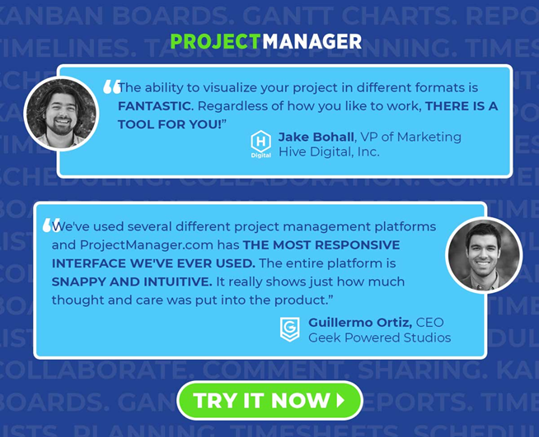
How to Use the RACI Matrix Template

The RACI matrix template is tool to help everyone in the project know what their role is, so they can work better together.

Step 1: List the Project Tasks
In column 1, beneath the “Project Tasks” header, you will list all of the tasks that will be completed as part of this project. In our example, we broke the tasks down into the different project phases in order to keep things more organized. If you wish, you can remove the project phases and instead just do a large list of tasks, but we’ve found the project phases to be helpful.

Step 2: List All of Your Team Members
Next, locate the light blue bar. Going from left to right, we are going to add all of your team members to this section. Include every person in your organization, even if they won’t be working directly on the project, because stakeholders are an important part of this document too. We find it helpful to use the job title / role in this section, but you could also use team member names instead. We tend to use job titles so that this document is useful to someone looking at the matrix who may not be familiar with everybody’s name.

Step 3: Assign R,A,C,I to Each Task
Locate your first task of the project (this should be whichever task you have listed highest in Column A.) Once you’ve located your first task, move across the matrix to the right, deciding who will be (R) Responsible for executing the work on this particular task. Remember, R is for the person who will actually be performing the work on this task.

Continue moving to the right, and next you will choose who will be (A) Accountable for this task. The person who you label as (A) Accountable is the person who will be responsible for ensuring that the task is done properly and in a timely manner.

Next, you will decide who will be (C) Consulted on this task. Remember, (C) means that a person will be asked for help or advice on a task, and they will work with the responsible team member to complete the task. In some cases, you will not have a C for a task and that’s OK.

Finally, for each task you will decide who is the stakeholder for the task. The stakeholder will be labeled as (I) Informed. If someone is labeled (I) for this task, they will be updated about the progress of the task, but they will not have direct feedback going back to the person responsible for the task. An informed person is a one way communication, as compared to a consulted person who has two-way communication about the task. Most tasks will have an informed person, however there will be some cases where there is no I needed.

Step 4: Share the Document
Once your RACI chart is fully filled out, it is important to share the document with all of the team members on this project. This is an important step because a RACI matrix is most helpful when each team member understands exactly what their role is at each step of the project.

